Continuous Random Variable
Continuous Random Variable
A random variable is continuous if it
can assume any value from one or more intervals of
numbers
Examples
Market share for new product can be any number between 0 and 1
Height of male any number between 20 and 108 inches
Time to process you at airline ticket counter

Any continuous random variable
is described by a probability density function (PDF)
The height of a PDF | tells use the relative likelihood that
a continuous random variable assumes different possible values
Property of PDFS
· Always>=0.
· Area under PDF equals 1.
· Probability that a continuous random variable assumes value between a and b is area under pdf between a and b.

 | Suppose market share is equally likely to assume any value between 0 and 1. Then PDF
 | looks like
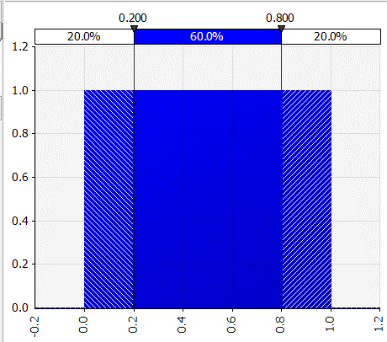

 |  |  |  | Chance market share between 20% and 80%?

 | PDF for height of American male |  | 89.2% of men are between 5 feet 5 and 6 feet 2

 |  | Half as many people are aaround 66.1 inches tall as around 69.4 inches tall
 |  | Chance of being exactly 6 feet tall is 0.
 |  | You must be 6.00000000000000000000000 feet tall.

centralpizza temp
Daily frozen pizza demand
mean | 45
sigma | 12

30 day |  |  | #NAME?
mean |  | #N/A
variance |  | #N/A
sigma |  | #N/A

Probability more than 1400 sold |  | #N/A
1% chance of running out |  | #N/A

$\sqrt{4320}$=65.73
 |  | >=1401

 |  | 1400.5

